Correlations
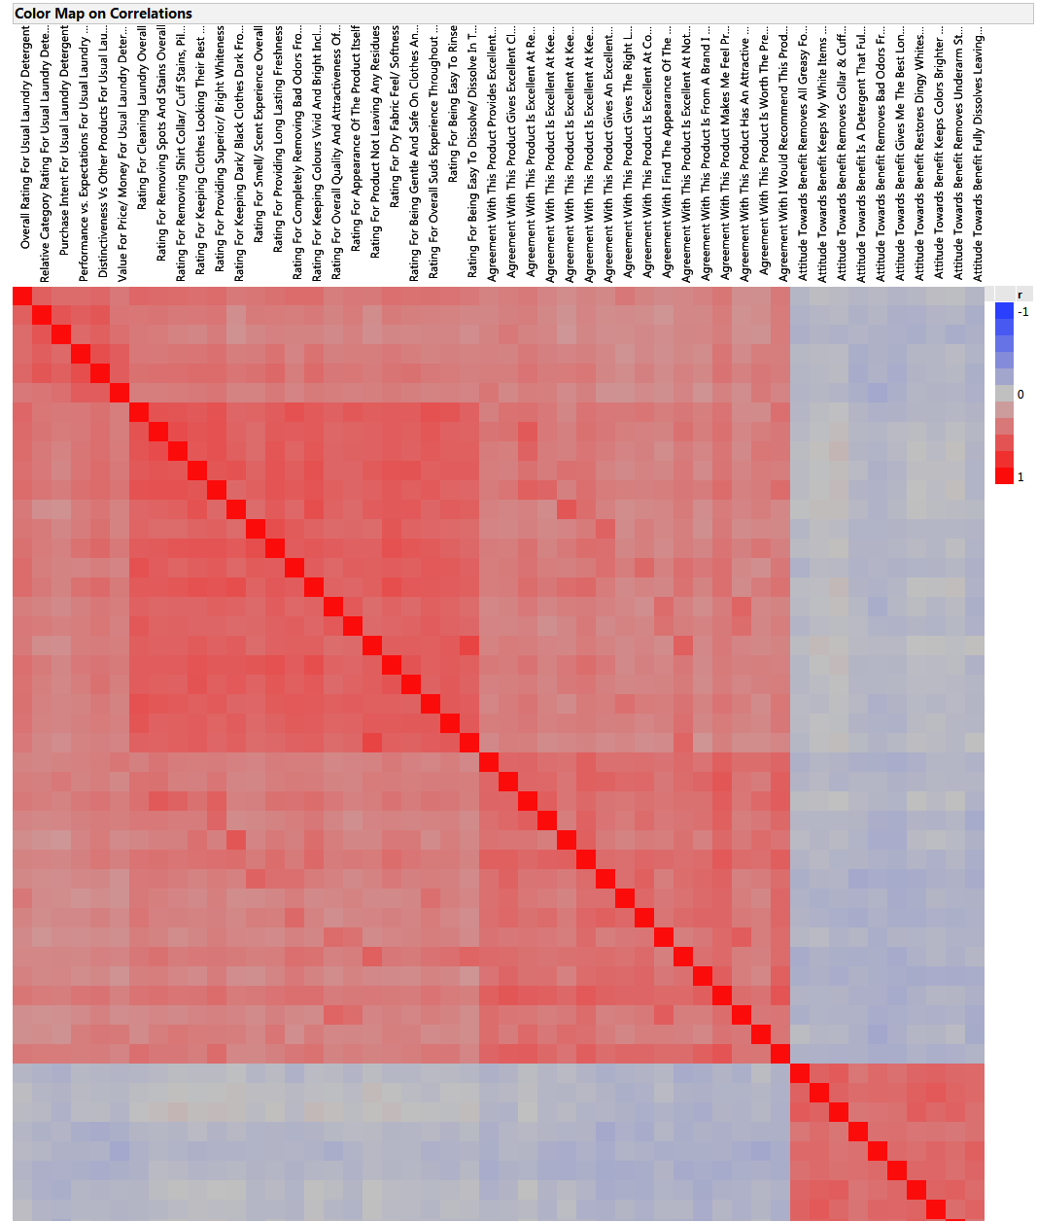
Correlations | KEY MEASURES
Overall Rating For Usual Laundry Detergent |  | 0.53 | 0.47 | 0.46
Relative Category Rating For Usual Laundry Detergent | 0.53 |  | 0.60 | 0.54
Purchase Intent For Usual Laundry Detergent | 0.47 | 0.60 |  | 0.48
Performance vs. Expectations For Usual Laundry Detergent | 0.46 | 0.54 | 0.48
Distinctiveness Vs Other Products For Usual Laundry Detergent | 0.49 | 0.59 | 0.53 | 0.64
Value For Price/ Money For Usual Laundry Detergent | 0.40 | 0.42 | 0.44 | 0.55
Cleaning Laundry Overall | 0.50 | 0.41 | 0.40 | 0.40
Removing Spots And Stains Overall | 0.48 | 0.42 | 0.38 | 0.39
Removing Shirt Collar/ Cuff Stains, Pillow Case Halos | 0.47 | 0.39 | 0.34 | 0.41
Keeping Clothes Looking Their Best Over Time And New For Longer | 0.45 | 0.40 | 0.32 | 0.42
Providing Superior/ Bright Whiteness | 0.47 | 0.41 | 0.37 | 0.44
Keeping Dark/ Black Clothes Dark From Wash To Wash | 0.39 | 0.28 | 0.26 | 0.37
Smell/ Scent Experience Overall | 0.41 | 0.39 | 0.32 | 0.38
Providing Long Lasting Freshness | 0.44 | 0.38 | 0.35 | 0.43
Completely Removing Bad Odors From Your Laundry | 0.46 | 0.36 | 0.34 | 0.33
Keeping Colours Vivid And Bright Including Multi-Coloured Items | 0.47 | 0.39 | 0.34 | 0.43
Overall Quality And Attractiveness Of Package | 0.37 | 0.34 | 0.30 | 0.36
Appearance Of The Product Itself | 0.40 | 0.38 | 0.35 | 0.37
Product Not Leaving Any Residues | 0.39 | 0.29 | 0.28 | 0.37
Dry Fabric Feel/ Softness | 0.44 | 0.39 | 0.32 | 0.40
Being Gentle And Safe On Clothes And Sensitive Skin | 0.43 | 0.36 | 0.32 | 0.37
Overall Suds Experience Throughout The Wash | 0.44 | 0.35 | 0.32 | 0.34
Being Easy To Rinse | 0.43 | 0.34 | 0.32 | 0.36
Being Easy To Dissolve/ Dissolve In The Dispenser | 0.40 | 0.32 | 0.28 | 0.34
Provides Excellent Value | 0.34 | 0.32 | 0.34 | 0.35
Gives Excellent Cleaning Overall | 0.36 | 0.35 | 0.40 | 0.34
Is Excellent At Removing Tough Stains | 0.39 | 0.37 | 0.34 | 0.39
Is Excellent At Keeping My White Items White | 0.33 | 0.31 | 0.33 | 0.35
Is Excellent At Keeping My Dark/ Black Items Dark | 0.29 | 0.26 | 0.23 | 0.33
Is Excellent At Keeping My Colors Vivid And Bright | 0.34 | 0.33 | 0.32 | 0.35
Gives An Excellent Overall Smell/ Scent Experience Throughout The Wash | 0.31 | 0.29 | 0.28 | 0.31
Gives The Right Level Of Suds Throughout The Wash | 0.41 | 0.30 | 0.29 | 0.25
Is Excellent At Completely Removing Bad Odors From My Laundry | 0.34 | 0.29 | 0.31 | 0.31
Agreement With I Find The Appearance Of The Product To Be Excellent | 0.30 | 0.24 | 0.28 | 0.28
Is Excellent At Not Leaving Any Residues On My Clothes | 0.31 | 0.31 | 0.32 | 0.31
Is From A Brand I Trust And Know I Can Rely On | 0.35 | 0.31 | 0.33 | 0.29
Makes Me Feel Proud Of My Laundry Results | 0.41 | 0.38 | 0.36 | 0.41
Has An Attractive And High Quality Package | 0.27 | 0.26 | 0.27 | 0.30
Is Worth The Premium Price I Pay For It | 0.27 | 0.29 | 0.25 | 0.36
I Would Recommend This Product To My Family And Friends | 0.39 | 0.38 | 0.38 | 0.37
Removes All Greasy Food Stains With No Pretreating (Scrubbing Or Extra Products) | -0.08 | -0.11 | -0.13 | -0.06
Keeps My White Items White With No Pretreating (Scrubbing Or Extra Products) | -0.02 | -0.08 | -0.09 | -0.05
Removes Collar & Cuff Stains With No Pretreating (Scrubbing Or Extra Products) | -0.04 | -0.06 | -0.12 | -0.05
Is A Detergent That Fully Cleans All My Whites, Colors And Darks Without Sorting | -0.08 | -0.11 | -0.09 | -0.14
Removes Bad Odors From My Laundry (Clothes, Towels, Bedding) | -0.06 | -0.08 | -0.11 | -0.12
Gives Me The Best Long Lasting Freshness From Wash Through To Wear | -0.09 | -0.13 | -0.13 | -0.13
Restores Dingy Whites And Colors Back To Bright | -0.07 | -0.12 | -0.14 | -0.08
Keeps Colors Brighter With No Pretreating (Scrubbing Or Extra Products) | -0.03 | -0.09 | -0.10 | -0.07
Removes Underarm Stains And Sweat Stains With No Pretreating (Scrubbing Or Extra Products) | -0.02 | -0.08 | -0.15 | -0.05
Fully Dissolves Leaving Behind No Residue In The Machine, Or On My Laundry | -0.08 | -0.14 | -0.12 | -0.10

The correlations are estimated by Row-wise method.

